Results
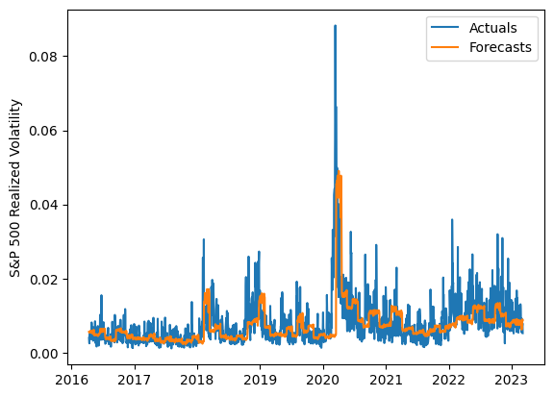
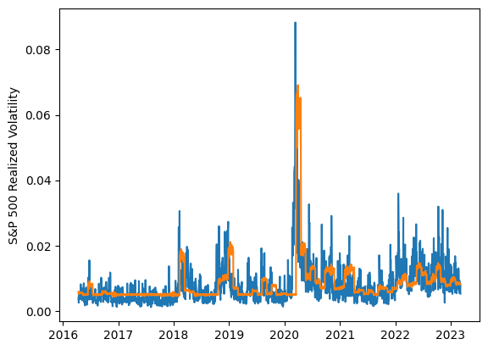
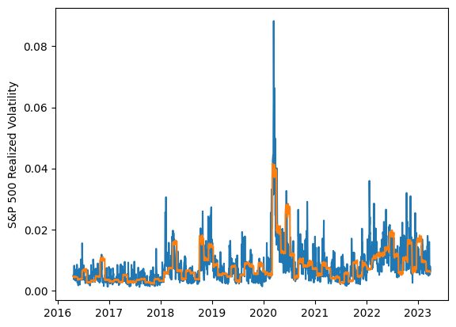
 | LSTM |  |  | TCN |  |  | NBEATSx |  |  |  |  | LSTM |  |  | TCN |  |  | NBEATSx
 | Accuracy | RMSE | Qlike | Accuracy | RMSE | Qlike | Accuracy | RMSE | Qlike |  |  | Accuracy | RMSE | Qlike | Accuracy | RMSE | Qlike | Accuracy | RMSE | Qlike
Trial 1 | 46.36% | 0.356% | 0.176 | 47.29% | 0.375% | 0.178 | 51.12% | 0.339% | 0.165 |  | Mean | 50.35% | 0.360% | 0.166 | 47.28% | 0.363% | 0.177 | 51.61% | 0.338% | 0.169
Trial 2 | 46.84% | 0.359% | 0.175 | 50.55% | 0.349% | 0.164 | 51.80% | 0.336% | 0.169 |  | Standard Deviation | 5.76% | 0.017% | 0.019 | 1.76% | 0.008% | 0.007 | 0.59% | 0.003% | 0.004
Trial 3 | 51.83% | 0.360% | 0.160 | 49.71% | 0.348% | 0.167 | 50.88% | 0.341% | 0.170 |  | 95% CI upper bound | 61.87% | 0.394% | 0.203 | 50.79% | 0.380% | 0.191 | 52.79% | 0.343% | 0.176
Trial 4 | 55.07% | 0.344% | 0.149 | 45.13% | 0.362% | 0.184 | 51.56% | 0.338% | 0.170 |  | 95% CI lower bound | 38.83% | 0.327% | 0.129 | 43.76% | 0.346% | 0.162 | 50.43% | 0.332% | 0.162
Trial 5 | 59.35% | 0.352% | 0.150 | 48.13% | 0.370% | 0.174 | 51.49% | 0.338% | 0.171 |  | 99.7% CI upper bound | 67.63% | 0.410% | 0.222 | 52.54% | 0.388% | 0.198 | 53.38% | 0.345% | 0.179
Trial 6 | 55.64% | 0.342% | 0.146 | 45.43% | 0.365% | 0.183 | 52.48% | 0.332% | 0.165 |  | 99.7% CI lower bound | 33.07% | 0.310% | 0.111 | 42.01% | 0.338% | 0.155 | 49.83% | 0.330% | 0.158
Trial 7 | 54.98% | 0.354% | 0.152 | 47.45% | 0.361% | 0.175 | 52.11% | 0.337% | 0.167
Trial 8 | 42.14% | 0.397% | 0.197 | 47.33% | 0.360% | 0.178 | 51.24% | 0.337% | 0.166
Trial 9 | 49.83% | 0.357% | 0.165 | 47.30% | 0.361% | 0.176 | 52.39% | 0.335% | 0.172
Trial 10 | 39.60% | 0.398% | 0.206 | 47.02% | 0.372% | 0.178 | 50.80% | 0.341% | 0.170
Trial 11 | 46.93% | 0.359% | 0.175 | 44.06% | 0.371% | 0.191 | 51.47% | 0.338% | 0.168
Trial 12 | 48.54% | 0.362% | 0.171 | 49.53% | 0.351% | 0.167 | 50.68% | 0.340% | 0.164
Trial 13 | 52.04% | 0.353% | 0.158 | 45.99% | 0.368% | 0.183 | 51.62% | 0.340% | 0.178
Trial 14 | 58.80% | 0.343% | 0.141 | 47.63% | 0.366% | 0.174 | 52.23% | 0.334% | 0.166
Trial 15 | 47.29% | 0.366% | 0.174 | 46.59% | 0.368% | 0.179 | 52.26% | 0.337% | 0.169

 | LSTM (best trial) |  |  |  |  |  |  |  |  | TCN (best trial) |  |  |  |  |  |  |  |  | NBEATSx (best trial)

